Sheet1
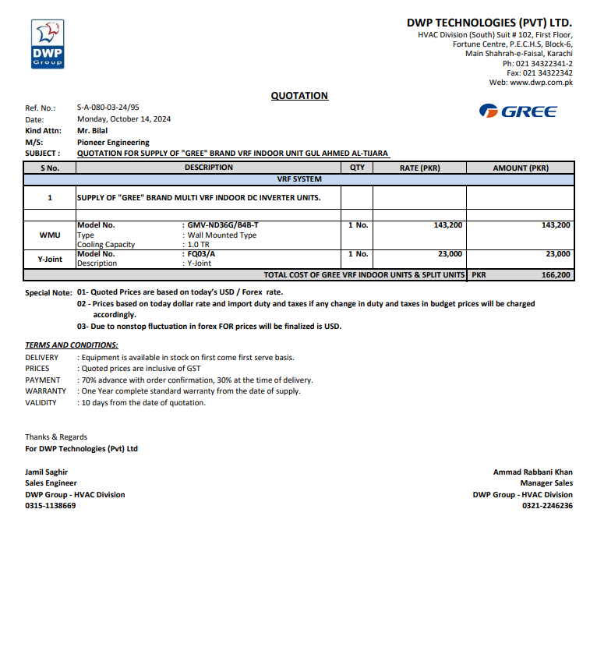


M/S IK Associates |  |  |  |  |  |  |  | 2024-10-14

Project: Gul Ahmed Energy Limited

Attn: Mr. Taha Ghaznavi

Variation # 4
Supply & installation of Wall Mounted VRF indoor unit - Gul Ahmed Al Tijarah Center Karachi

S. # | Description | Material Rate | Labour Rate | Over Head profit 28% | Total Rate | Unit | Qty | Amount
1 | Supply of Gree Brand Wall Mounted VRF indoor unit 01 TR | 143,200 | 7,000 | 42,056 | 192,256 | No | 1 | 192,256 | Telephonoc conversation held Mr Muazz from Ik and nadeem iqbal 28% OVERhead profit will be shared half and half after tax deuction of 10%
2 | Supply and installation of Y. Branch. | 23,000 | 5,000 | 7,840 | 35,840 | No | 1 | 35,840
Total Amount Rs. |  |  |  |  |  |  |  | 228,096

Note: GREE Quotation attached

Thanking you,

For PIONEER ENGINEERING SERVICES.

Bilal Habib

